Sheet1
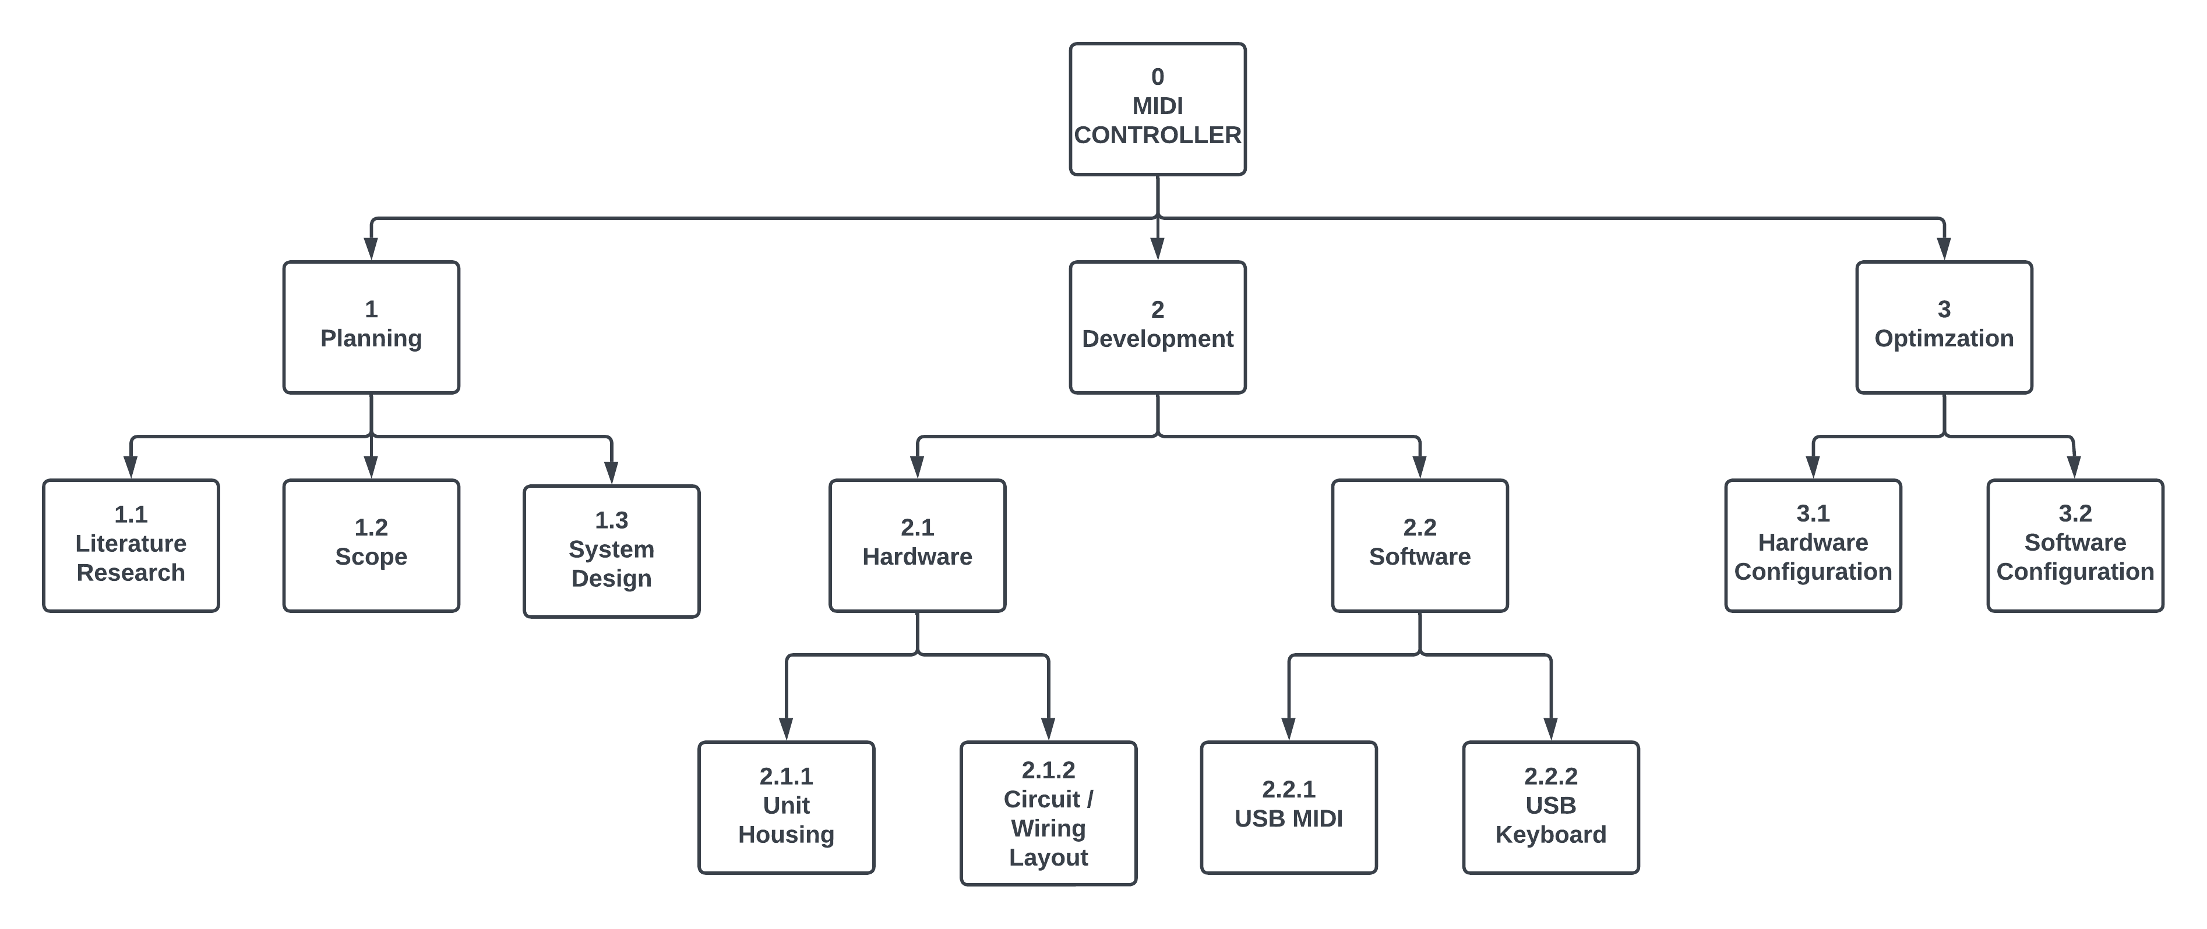
Number | Name | Description
0 | MIDI Controller | A MIDI controller designed for use with digital amplifier simulators running on a computer. The controller will consist of item 2.1.1 Unit Housing, which will be modeled after a real amplifier. The knobs and switches on the amplifier will be connected to a microcontrontroller based on item 2.1.2 Circuit Layout that send item 2.2 Software messages. The each indicidual control can be mapped to any mappable MIDI parameter in the amp sim. The controller will have dedicated inputs used to switch between different amp sim applications running on the host computer. The optional footswitch is a peripherial component that serves as an extension of the main unit, providing additional controls. As a result, item 0 MIDI Controller makes no distinction between these two items.
1 | Planning | Planning for the project consists of gathering information, defining the project's scope, and creating a design blueprint. these tasks are achieved through item 1.1 Literature Research, item 1.2 Scope, and item 1.3 System Design respectively.
1.1 | Literature Research | A literature review consists of conducting research on the subject of MIDI controllers. This is to determine if there are any resources that can be used to aid in creating item 0 MIDI Controller, and gather useful information on building MIDI controllers. The review will idetentify possible competitors in the market and how this project will set itself apart from similar prodcts currently out there.
1.2 | Scope | This work package deals with the planning stage of the scope proccess. This includes the creation of the scope statement through identifying key stakeholder, functional requirements, and technical requirements of the project; and creation of a WBS and WBS dictionary. The project will be regularly assed against the scope baseline to ensure project success.
1.3 | System Design | This work package involves defining he technical functionallity of item 0 MIDI Controller. This is used to construct hardware and software block diagrams which will serve as the foundation of the controller's design.
2 | Development | Development is the process of creating item 2.1 Hardware and item 2.2 Software that will become item 0 MIDI controller. The controller will be contructed based on the information collected during item 1 planning.
2.1 | Hardware | Hardware referes to the physical design of the unit both interally and externally.
2.1.1 | Unit Housing | This work package involves the design of the physical unit itself. The housing should be designed to accomodate item 2.1.2 Circuit/Wiring Layout. The housing shall be visually appealing and physically robust, without compromising the operation of item 2.1.2 Circuit/Wiring Layout.
2.1.2 | Circuit/Wiring Layout | This work package involves the design of the circuitboard and placement of the various knobs and switches. The control layout should be presented in a way that is both practical and intuitive to the user. The circuit design should be cost effective and take full advantage of item 2.1.1 Unit Housing to provide robustness to the internal layout.
2.2 | Software | Software referes to elements of the program written for item 0 MIDI controller.
2.2.1 | USB MIDI | This work package involves writing the code required for the MIDI controller to send a MIDI message upon user input. The code will take into consideration the different types of input compents used and if any LEDs will be used for visual feedback
2.2.2 | USB Keyboard | This work package involves writing the code required for the MIDI controller to send keystrokes upon user input. The code will take into consideration the different types of input compents used and if any LEDs will be used for visual feedback
3 | Optimization | The goal of optimization is to ensure the MIDI controller provides a blanced level of control across as many compatible applications. Product usuage will reveal which type of inputs are used the most and what type of message they send. This information can be used to determine if 2.1 Hardware or 2.2 Software need to be redesigned to better accomodate popular use cases of the product. Optimazion will also encompass any changes to 2.1 Hardware and 2.2 Software due to design flaws that need to be addressed. This will result in a software update, product revision, or new product release.
3.1 | Hardware Configuration | This work package deals with the physical unit itself. Product usage may indicate that there is a demand for a different input configuration to meet the desired degree of control expected by the consumer. Usage may also uncover physical design flaws could lead to failure of the unit. This involves modifying 2.1 hardware. The solution involves changing the type of inputs, the number of inputs, modifying 2.1.2 Circuit/Wiring Layout, and/or modifiying 2.1.1 Unit Housing. The outcome of this work package will involve a product revision or introduction of a different model.
3.2 | Software Configuration | This work package deals with the type of messages sent to the computer by the MIDI controller. Product usage may indicate that the configuration of 2.2 Software messages sent by the controller should be modified to meet the desired degree of control expected by the consumer. This involves reconfiguring the type of message sent by the various inputs of the controller. The solution is to add, remove, or change the 2.2.2 MIDI and/or 2.2.1 KEYBOARD message sent by a partcular input. The outcome of this work package will involve a software update, product revision, or the introduction of a different model; any concurrent changes to 3.1 Hardware Configuration will influence the chosen outcome.

